About


SYTaDC Start Year Transmission and Distribution Costs

Sources : | O&M average cost by power injected 2018 | Final Report - Network Costs, Energy costs, taxes and the impact of government interventions on investments, page 10
 | Capital Cost 2018 | Final Report - Network Costs, Energy costs, taxes and the impact of government interventions on investments, page 7
 | Power injected in transmission and in distribution in 2018 | CEER reports

Notes :
Data for 2018 are supposed to be constant until 2021 (the start year)

We adjust 2018 euro to 2018 dollars using the following conversion factor:
0.848 | https://www.irs.gov/individuals/international-taxpayers/yearly-average-currency-exchange-rates
We adjust 2018 dollars to 2012 dollars using the following conversion factor:
0.914
See "cpi.xlsx" in the InputData folder for source information.

Capital Costs data
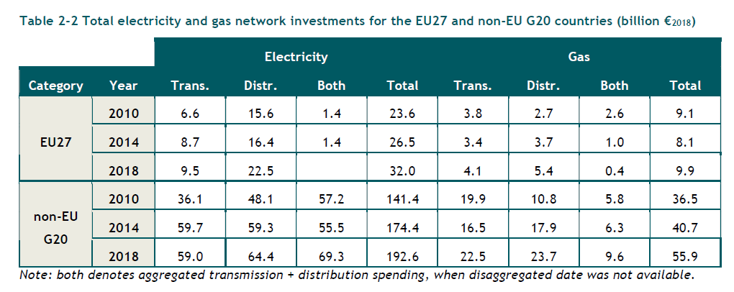
 | 2018 Capital Costs (€)
Transmission | 9.50E+09
Distribution | 2.25E+10

